Final payment
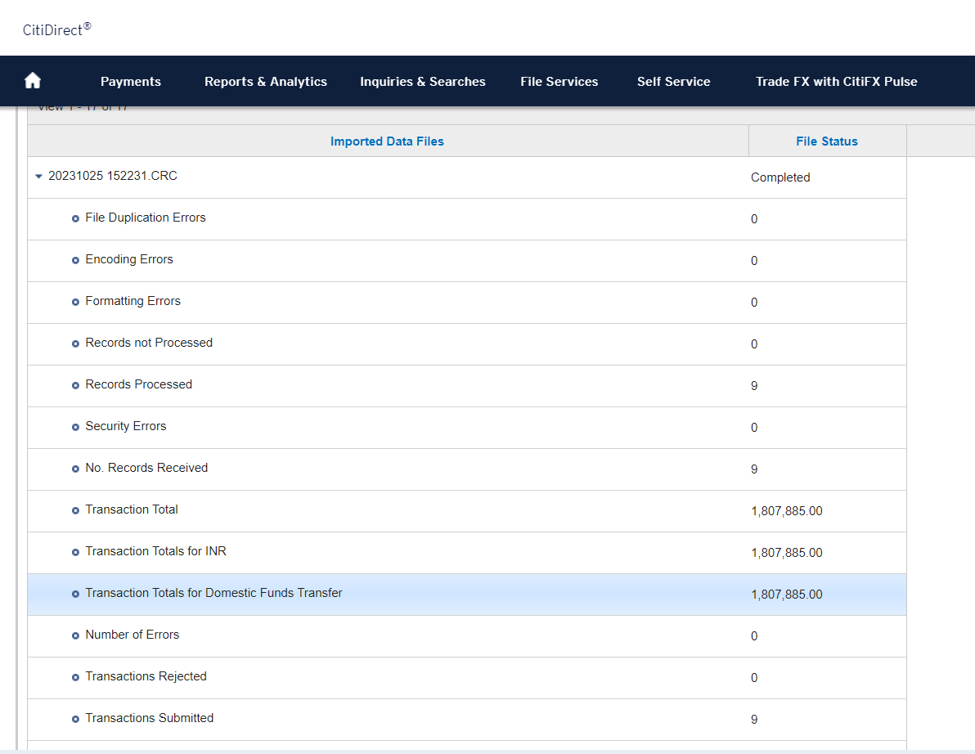
Vendor Code | Vendor Name | Doc No. | Amount | Location | Remarks | Row Labels | bank acc | IFSC |  | Row Labels | Sum of Amount |  |  |  |  | Row Labels | Sum of Amount |  |  | Row Labels | Sum of Amount | Row Labels | Sum of Amount |  |  |  | Row Labels | Sum of Amount
102788 | OKEY TRADERS | 1923073385 | 24,461 | ANKL |  | 100733 | 143920110000058 | BKID0001439 |  | 100733 | 1983 | -1983 | 0 |  |  | 100733 | 1983 | -1983 | 0 | 100733 | 1983 | 100733 | 1983 | -1983 | 0 |  | 100733 | 1983
102924 | SHREE KRISHNA ENTERPRISES | 1923060088 | 510 | ANKL |  | 100887 | 912020037917984 | UTIB0000807 |  | 100887 | 925 | -925 | 0 |  |  | 100887 | 925 | -925 | 0 | 100887 | 925 | 100887 | 925 | -925 | 0 |  | 100887 | 925
106183 | ANJANI TRADERS | 1923067243 | 5,600 | ANKL |  | 101391 | 02212020001913 | HDFC0000221 |  | 101391 | 8084 | -8084 | 0 |  |  | 101391 | 8084 | -8084 | 0 | 101391 | 8084 | 101391 | 8084 | -8084 | 0 |  | 101391 | 8084
106546 | S S TRADERS (ANK) | 1923061935 | 19,288 | ANKL |  | 101615 | 20948630000074 | HDFC0002094 |  | 101615 | 42000 | -42000 | 0 |  |  | 101615 | 42000 | -42000 | 0 | 101615 | 41160 | 101615 | 42000 | -41160 | 840 | TDS deducted | 101615 | 41160
107656 | VINAY KANSARA | 1923073567 | 13,500 | ANKL |  | 102788 | 08192120005061 | KKBK0000819 |  | 102788 | 100371 | -100371 | 0 |  |  | 102788 | 100371 | -100371 | 0 | 102788 | 100371 | 102788 | 100371 | -100371 | 0 |  | 102788 | 100371
109008 | NARMADA CLEAN TECH | 1923073408 | 5,808 | ANKL |  | 102881 | 10140677501 | SBIN0001456 |  | 102881 | 106693 | -106693 | 0 |  |  | 102881 | 106693 | -106693 | 0 | 102881 | 106693 | 102881 | 106693 | -106693 | 0 |  | 102881 | 106693
109008 | NARMADA CLEAN TECH | 1923074264 | 410,002 | ANKL |  | 102924 | 33860400000047 | BARB0CENPOI |  | 102924 | 510 | -510 | 0 |  |  | 102924 | 510 | -510 | 0 | 102924 | 510 | 102924 | 510 | -510 | 0 |  | 102924 | 510
111186 | RECYCLING SOLUTIONS PRIVATE LIMITED | 1923073218 | 180,658 | ANKL |  | 104000 | 00152320001598 | HDFC0000015 |  | 104000 | 209402 | -209402 | 0 |  |  | 104000 | 209402 | -209402 | 0 | 104000 | 209402 | 104000 | 209402 | -209402 | 0 |  | 104000 | 209402
111274 | SHREE MAHAVIR TRANSPORT | 1923072217 | 63,852 | ANKL |  | 105260 | 08192120011170 | KKBK0000819 |  | 105260 | 24442 | -24442 | 0 |  |  | 105260 | 24442 | -24442 | 0 | 105260 | 24442 | 105260 | 24442 | -32360 | -7918 | Excess Payment blocked | 105260 | 24442
112377 | GUJARAT POPULAR CATERERS | 1923073437 | 991,959 | ANKL |  | 105532 | 7345011 | CITI0000002 |  | 105532 | 266202.54 | -266202.54 | 0 |  |  | 105532 | 266202.54 | -266202.54 | 0 | 105532 | 266202.54 | 105532 | 266202.54 | -266202.54 | 0 |  | 105532 | 266202.54
114683 | SETA ENGINEERS PRIVATE LIMITED | 1923067121 | 20,851 | ANKL |  | 106154 | 008103301001650 | AKJB0000008 |  | 106154 | 1915 | -1915 | 0 |  |  | 106154 | 1915 | -1915 | 0 | 106154 | 1915 | 106154 | 1915 | -1915 | 0 |  | 106154 | 1915
114883 | SYNERGY MULTICHEM PVT. LTD. | 1923074354 | 53,641 | ANKL |  | 106183 | 07361131001711 | PUNB0073610 |  | 106183 | 5600 | -5600 | 0 |  |  | 106183 | 5600 | -5600 | 0 | 106183 | 5600 | 106183 | 5600 | -5600 | 0 |  | 106183 | 5600
117381 | ALLIED TRADE CORPORATION | 1923067245 | 1,357 | ANKL |  | 106525 | 30341776561 | SBIN0008236 |  | 106525 | 2012 | -2012 | 0 |  |  | 106525 | 2012 | -2012 | 0 | 106525 | 2012 | 106525 | 2012 | -2012 | 0 |  | 106525 | 2012
117390 | CHIEF OFFICER, NA-ANK-DRAINAGE BILL | 1923074069 | 1,931 | ANKL |  | 106546 | 67740500000452 | BARB0VJANKL |  | 106546 | 19288 | -19288 | 0 |  |  | 106546 | 19288 | -19288 | 0 | 106546 | 19288 | 106546 | 19288 | -19288 | 0 |  | 106546 | 19288
117390 | CHIEF OFFICER, NA-ANK-DRAINAGE BILL | 1923074144 | 110,277 | ANKL |  | 106764 | 08950400000145 | BARB0INDANK |  | 107368 | 76759 | -76759 | 0 |  |  | 107368 | 76759 | -76759 | 0 | 107368 | 76759 | 107368 | 76759 | -76759 | 0 |  | 107368 | 76759
117391 | CHIEF OFFICER,NA,ANK-WATER BILL | 1923074142 | 148,713 | ANKL |  | 107088 | 36170500000017 | BARB0MULEAS |  | 107415 | 13050 | -13050 | 0 |  |  | 107415 | 13050 | -13050 | 0 | 107415 | 13050 | 107415 | 13050 | -13050 | 0 |  | 107415 | 13050
117391 | CHIEF OFFICER,NA,ANK-WATER BILL | 1923074068 | 7,011 | ANKL |  | 107368 | 121605001129 | ICIC0001216 |  | 107423 | 11276 | -11276 | 0 |  |  | 107423 | 11276 | -11276 | 0 | 107423 | 11276 | 107423 | 11276 | -11276 | 0 |  | 107423 | 11276
120474 | TOORANT COMMUNICATIONS | 1923060028 | 25,960 | ANKL |  | 107415 | 11285515377 | SBIN0000350 |  | 107656 | 13500 | -13500 | 0 |  |  | 107656 | 13500 | -13500 | 0 | 107656 | 13500 | 107656 | 13500 | -13500 | 0 |  | 107656 | 13500
120490 | KRINTA ELECTRICALS | 1923073444 | 98,893 | ANKL |  | 107423 | 010203307000852 | AKJB0000010 |  | 107709 | 33697 | -33697 | 0 |  |  | 107709 | 33697 | -33697 | 0 | 107709 | 33697 | 107709 | 33697 | -33697 | 0 |  | 107709 | 33697
113495 | KDCMPU LTD | 2323007141 | 181,300 | ANKL | Advance | 107656 | 450010100134095 | UTIB0000450 |  | 107942 | 35280 | #N/A | #N/A | Payment already made |  | 108227 | 4720 | -4720 | 0 | 108227 | 4720 | 108227 | 4720 | -4720 | 0 |  | 108227 | 4720
301565 | HARDIK ENTERPRISE | 1923073400 | 5,011 | ANKL_CEP |  | 107709 | 511102000002356 | IBKL0000511 |  | 108227 | 4720 | -4720 | 0 |  |  | 108589 | 32103 | -32103 | 0 | 108589 | 32103 | 108589 | 32103 | -32103 | 0 |  | 108589 | 32103
301566 | COOLLINE AGENCY PVT LTD | 1923072254 | 209,920 | ANKL_CEP |  | 107942 | 02552000007330 | HDFC0000255 |  | 108589 | 32103 | -32103 | 0 |  |  | 108919 | 1080 | -1080 | 0 | 108919 | 1080 | 108919 | 1080 | -1080 | 0 |  | 108919 | 1080
302999 | SHREE BAJRANG FABRICATORS | 1923073750 | 113,674 | ANKL_CEP |  | 108227 | 004011300006374 | PJSB0000006 |  | 108919 | 1080 | -1080 | 0 |  |  | 109008 | 415810 | -415810 | 0 | 109008 | 415810 | 109008 | 415810 | -415810 | 0 |  | 109008 | 415810
303004 | SHRI BINDHESHWARI ENGINEERING SERVI | 1923073466 | 56,403 | ANKL_CEP |  | 108589 | 025805500116 | ICIC0000258 |  | 109008 | 415810 | -415810 | 0 |  |  | 109962 | 66007.72 | -66007.72 | 0 | 109962 | 66007.72 | 109962 | 66007.72 | -66007.72 | 0 |  | 109962 | 66007.72
303004 | SHRI BINDHESHWARI ENGINEERING SERVI | 1923073467 | 116,255 | ANKL_CEP |  | 108919 | 0117201005739 | CNRB0000117 |  | 109962 | 66007.72 | -66007.72 | 0 |  |  | 110870 | 2240 | -2240 | 0 | 110870 | 2240 | 110870 | 2240 | -2240 | 0 |  | 110870 | 2240
112313 | Ambica Enterprise | 1923060802 | 55,800 | DAHEJ | DSEZ:AE/23-24/232 SS 316 FLANGE GUARD: 40NB | 109008 | 08950200000930 | BARB0INDANK |  | 110870 | 2240 | -2240 | 0 |  |  | 110899 | 4459 | -4459 | 0 | 110899 | 4459 | 110899 | 4459 | -4459 | 0 |  | 110899 | 4459
113443 | Apple Enterpruse | 1923067763 | 4,280 | DAHEJ | DSEZ:23242092 M SEAL ( GENERAL PURPOSE) | 109962 | 100111000014542 | SVCB0006002 |  | 110899 | 4459 | -4459 | 0 |  |  | 110921 | 1180 | -1180 | 0 | 110921 | 1180 | 110921 | 1180 | -1180 | 0 |  | 110921 | 1180
105260 | G.K. Enterprises | 1923073463 | 24,442 | DAHEJ | DSEZ BIRQUETTE UN-LODING CHG SEP-2023 | 110870 | 143920100000457 | BKID0001439 |  | 110921 | 1180 | -1180 | 0 |  |  | 111133 | 1860 | -1860 | 0 | 111133 | 1860 | 111133 | 1860 | -1860 | 0 |  | 111133 | 1860
114105 | Ideal Electric Corporation | 1923065177 | 3,600 | DAHEJ | DSEZ: GST/23-24/3916 ANCHOR FASTNER 100 X 12MM | 110899 | 639301010050090 | UBIN0563935 |  | 111133 | 1860 | -1860 | 0 |  |  | 111186 | 180658 | -180658 | 0 | 111186 | 180658 | 111186 | 180658 | -180658 | 0 |  | 111186 | 180658
118676 | Jabsons Foods Private Limited | 1923074665 | 544 | DAHEJ | DSEZ GIFT FOR HOKKO MITSUI PNT KSL 400GM=4 PKT | 110921 | 025805500577 | ICIC0000258 |  | 111186 | 180658 | -180658 | 0 |  |  | 111274 | 63852 | -63852 | 0 | 111274 | 63852 | 111274 | 63852 | -63852 | 0 |  | 111274 | 63852
118676 | Jabsons Foods Private Limited | 1923074741 | 1,088 | DAHEJ | DSEZ GIFT FOR NABL ACCE.VISIT CQAL REF.MATE. AUDIT | 111133 | 35802018054 | SBIN0016093 |  | 111274 | 63852 | -63852 | 0 |  |  | 112118 | 56253 | -56253 | 0 | 112118 | 56253 | 112118 | 56253 | -56253 | 0 |  | 112118 | 56253
112289 | Jay Bhavani Sweets | 1923074663 | 400 | DAHEJ | DSEZ DIET COCK FOR HOKKO MITSUI VISIT 19 OCT'2023 | 111186 | RSPL23024100002223 | SBIN0004266 |  | 112118 | 56253 | -56253 | 0 |  |  | 112192 | 27031 | -27031 | 0 | 112192 | 27031 | 112192 | 27031 | -27031 | 0 |  | 112192 | 27031
112289 | Jay Bhavani Sweets | 1923074667 | 3,180 | DAHEJ | DSEZ BISLERI WATER FOR PICNIC 2nd &3rd BATCH 2023 | 111274 | 07361010009150 | PUNB0073610 |  | 112192 | 27031 | -27031 | 0 |  |  | 112289 | 6790 | -6790 | 0 | 112289 | 6790 | 112289 | 6790 | -6790 | 0 |  | 112289 | 6790
112289 | Jay Bhavani Sweets | 1923074668 | 3,210 | DAHEJ | DSEZ JUISE,WATER FOR SURAT PICNIC'2023 2nd TRIP | 112118 | 017805500249 | ICIC0000178 |  | 112289 | 6790 | -6790 | 0 |  |  | 112313 | 55800 | -55800 | 0 | 112313 | 55800 | 112313 | 55800 | -55800 | 0 |  | 112313 | 55800
110899 | Krishna Enterprise | 1923074177 | 4,459 | DAHEJ | DSEZ:1072/320 Courier Service Charges - June 23 | 112192 | 62371909487 | SBIN0020582 |  | 112313 | 55800 | -55800 | 0 |  |  | 112377 | 991959 | -991959 | 0 | 112377 | 991959 | 112377 | 991959 | -991959 | 0 |  | 112377 | 991959
114818 | Narayan Travels | 1923074727 | 4,312 | DAHEJ | DSEZ CAR HIRE CHARGES SUCHET MALI CSR ACTIVITY | 112235 | 450010200002707 | UTIB0000450 |  | 112377 | 991959 | -991959 | 0 |  |  | 112390 | 30000 | -30000 | 0 | 112390 | 30000 | 112390 | 30000 | -30000 | 0 |  | 112390 | 30000
114818 | Narayan Travels | 1923074728 | 6,133 | DAHEJ | DSEZ CAR HIRE CHARGES RD.PATEL GPCB WORK GANDHINAG | 112289 | 37673928008 | SBIN0009164 |  | 112390 | 30000 | -30000 | 0 |  |  | 112584 | 363061.66 | -363061.66 | 0 | 112584 | 363061.66 | 112584 | 363061.66 | -363061.66 | 0 |  | 112584 | 363061.66
114818 | Narayan Travels | 1923074730 | 5,533 | DAHEJ | DSEZ CAR HIRE CHARGES ROHAN MEHTA (LICENCE WORK) | 112313 | 50200010151168 | HDFC0000255 |  | 112432 | 43680 | -43680 | 0 |  |  | 112644 | 14160 | -14160 | 0 | 112644 | 14160 | 112644 | 14160 | -14160 | 0 |  | 112644 | 14160
114818 | Narayan Travels | 1923074734 | 2,678 | DAHEJ | DSEZ CAR HIRE CHARGES RD PATEL GPCB WORK VADODARA | 112377 | 50200020263410 | HDFC0000255 |  | 112584 | 363061.66 | -363061.66 | 0 |  |  | 112691 | 278816.4 | -278816.4 | 0 | 112691 | 278816.4 | 112691 | 278816.4 | -278816.4 | 0 |  | 112691 | 278816.4
118732 | Nirtech Private Limited | 3023486411 | 239,732 | DAHEJ | DSEZ:INV294/2023-24 MANPOWER CHARGES - Aug 23 | 112390 | 137405500208 | ICIC0001374 |  | 112644 | 14160 | -14160 | 0 |  |  | 113443 | 4280 | -4280 | 0 | 113443 | 4280 | 113443 | 4280 | -4280 | 0 |  | 113443 | 4280
102788 | Okey Traders | 1923067761 | 75,910 | DAHEJ | DSEZ:2023-24/0266 SULPHURIC ACID MIN 98%, AR, 2.5 | 112411 | 10503342950 | SBIN0009077 |  | 112691 | 278816.4 | -278816.4 | 0 |  |  | 113476 | 3625 | -3625 | 0 | 113476 | 3625 | 113476 | 3625 | -3625 | 0 |  | 113476 | 3625
113476 | Pranav Oxygen | 1923063170 | 3,625 | DAHEJ | DSEZ:20343 NITROGEN CYLINDER | 112432 | 50200038560455 | HDFC0000255 |  | 113443 | 4280 | -4280 | 0 |  |  | 113495 | 181300 | -181300 | 0 | 113495 | 181300 | 113495 | 181300 | -181300 | 0 |  | 113495 | 181300
102881 | Rushabh Enterprises | 1923063174 | 106,693 | DAHEJ | DSEZ:R/23-24/0215 MEGA CHEM A-30 SHAFT PROTECTION | 112584 | 300520110000126 | BKID0003005 |  | 113476 | 3625 | -3625 | 0 |  |  | 113566 | 600 | -600 | 0 | 113566 | 600 | 113566 | 600 | -600 | 0 |  | 113566 | 600
108589 | Shree Marutinandan Travels | 1923074698 | 2,850 | DAHEJ | DSEZ RAILWAY TICKET BOOKING MR.MOHIT PANDYA | 112644 | 31943254001 | SBIN0010725 |  | 113495 | 181300 | -181300 | 0 |  |  | 113899 | 11020 | -11020 | 0 | 113899 | 11020 | 113899 | 11020 | -11020 | 0 |  | 113899 | 11020
108589 | Shree Marutinandan Travels | 1923074701 | 7,910 | DAHEJ | DSEZ RAILWAY TICKET BOOKING ANIL SHARMA,R.ANASANE | 112691 | 106195878001 | HSBC0411002 |  | 113566 | 600 | -600 | 0 |  |  | 114105 | 3600 | -3600 | 0 | 114105 | 3600 | 114105 | 3600 | -3600 | 0 |  | 114105 | 3600
108589 | Shree Marutinandan Travels | 1923074703 | 3,538 | DAHEJ | DSEZ RAILWAY TICKET BOOKING VIRENDRA MISHRA | 112707 | 911020036184342 | UTIB0000863 |  | 113899 | 11020 | -11020 | 0 |  |  | 114106 | 4532 | -4532 | 0 | 114106 | 4532 | 114106 | 4532 | -4532 | 0 |  | 114106 | 4532
108589 | Shree Marutinandan Travels | 1923074707 | 5,298 | DAHEJ | DSEZ RAILWAY TICKET BOOKING S.SALUNKE,PATIDAR,BALA | 112767 | 33860200000139 | BARB0CENPOI |  | 114105 | 3600 | -3600 | 0 |  |  | 114353 | 18681.84 | -18681.84 | 0 | 114353 | 18681.84 | 114353 | 18681.84 | -18681.84 | 0 |  | 114353 | 18681.84
108589 | Shree Marutinandan Travels | 1923074708 | 5,785 | DAHEJ | DSEZ RAILWAY TICKET BOOKING DILIP SINGH,R.D.PATEL | 112896 | 02170500000083 | BARB0INDNAN |  | 114106 | 4532 | -4532 | 0 |  |  | 114574 | 68250 | -68250 | 0 | 114574 | 68250 | 114574 | 68250 | -68250 | 0 |  | 114574 | 68250
108589 | Shree Marutinandan Travels | 1923074709 | 3,558 | DAHEJ | DSEZ RAILWAY TICKET BOOKING DILIP SINGH BH-MITHAPU | 113443 | 50200006263188 | HDFC0000030 |  | 114353 | 18681.84 | -18681.84 | 0 |  |  | 114683 | 20851 | -20851 | 0 | 114683 | 20851 | 114683 | 20851 | -20851 | 0 |  | 114683 | 20851
108589 | Shree Marutinandan Travels | 1923074739 | 3,164 | DAHEJ | DSEZ RAILWAY TICKET BOOKING GIAMPOLO MUMBAI-BHARUC | 113476 | 001184600008312 | YESB0000011 |  | 114574 | 68250 | -68250 | 0 |  |  | 114818 | 28132 | -28132 | 0 | 114818 | 28132 | 114818 | 28132 | -18656 | 9476 | Reallocated | 114818 | 28132
110921 | Shrinathji Computers Printers Graph | 1923068901 | 1,180 | DAHEJ | DSEZ:411/2023-24 PENDIMETHALIN IN PROCESS SAMPLE T | 113495 | 911020012019833 | UTIB0000446 |  | 114683 | 20851 | -20851 | 0 |  |  | 114883 | 53641 | -53641 | 0 | 114883 | 53641 | 114883 | 53641 | -53641 | 0 |  | 114883 | 53641
118836 | Smruti Sales | 1923074744 | 1,000 | DAHEJ | DSEZ CQAL AUDIT REF.MATERIAL FOR NABL ASSES. VISIT | 113566 | 60263123913 | MAHB0001538 |  | 114818 | 28132 | -28132 | 0 |  |  | 115411 | 2832 | -2832 | 0 | 115411 | 2832 | 115411 | 2832 | -2832 | 0 |  | 115411 | 2832
119320 | Srympex Staffing Private Limited | 3023481910 | 262,331 | DAHEJ | Balance Payable Inv No.23-24/127 | 113899 | 0615102000010335 | IBKL0000615 |  | 114883 | 53641 | -53641 | 0 |  |  | 115415 | 102570 | -102570 | 0 | 115415 | 102570 | 115415 | 102570 | -102570 | 0 |  | 115415 | 102570
118472 | Team Maintenance Specialities | 1923073992 | 11,760 | DAHEJ | DSEZ:23-24/1127 SERVICE CHARGES - Sep 23 | 114105 | 0012387519 | KKBK0000819 |  | 115411 | 2832 | -2832 | 0 |  |  | 115680 | 168940.6 | -168940.6 | 0 | 115680 | 168940.6 | 115680 | 168940.6 | -168940.6 | 0 |  | 115680 | 168940.6
118472 | Team Maintenance Specialities | 1923074236 | 17,640 | DAHEJ | DSEZ:23-24/0691 SERVICE CHARGES - July 23 | 114106 | 002220110001045 | BKID0000022 |  | 115415 | 102570 | -102570 | 0 |  |  | 115751 | 270176 | -270176 | 0 | 115751 | 270176 | 115751 | 270176 | -270176 | 0 |  | 115751 | 270176
113566 | Vatica Florist | 1923074743 | 600 | DAHEJ | DSEZ HAND BOUQUE NABL ASES.VIST CQAL AUDIT REF.MAT | 114353 | 65012010000501 | IBKL0000650 |  | 115680 | 168940.6 | -168940.6 | 0 |  |  | 115764 | 898 | -898 | 0 | 115764 | 898 | 115764 | 898 | -898 | 0 |  | 115764 | 898
112584 | Vinamra Insulations | 1923073590 | 188,357 | DAHEJ | DSEZ:VI-010SN-0278 Installation work - Aug 23 | 114363 | 36961123412 | SBIN0018626 |  | 115751 | 270176 | -270176 | 0 |  |  | 115790 | 13031.63 | -13031.63 | 0 | 115790 | 13031.63 | 115790 | 13031.63 | -13031.63 | 0 |  | 115790 | 13031.63
112584 | Vinamra Insulations | 1923074179 | 2,116 | DAHEJ | DSEZ:VI-020SN-0422 Scaffolding Work - Sep 23 | 114574 | 052005002968 | ICIC0000520 |  | 115764 | 898 | -898 | 0 |  |  | 115815 | 37076 | -37076 | 0 | 115815 | 37076 | 115815 | 37076 | -37076 | 0 |  | 115815 | 37076
112584 | Vinamra Insulations | 1923074586 | 172,589 | DAHEJ | DSEZ:VI-024SN-0426 Insulation Work -Sep 23 | 114683 | 5712539688 | KKBK0000819 |  | 115790 | 13031.63 | -13031.63 | 0 |  |  | 115908 | 5380.8 | -5380.8 | 0 | 115908 | 5380.8 | 115908 | 5380.8 | -5380.8 | 0 |  | 115908 | 5380.8
112390 | Zatpat Stationery | 1923042458 | 30,000 | DAHEJ | DSEZ: SEZ/23-24/00162 TARPAULIN-24FTX 30 FT, 180 G | 114818 | 0320102000005463 | IBKL0000320 |  | 115815 | 37076 | -37076 | 0 |  |  | 116071 | 55900 | -55900 | 0 | 116071 | 55900 | 116071 | 55900 | -55900 | 0 |  | 116071 | 55900
301868 | Ablaze Glass Work Pvt Ltd | 1923062275 | 337,250 | DAHEJ_CEP | DSEZ:INV-000545 SIGHT GLASS-SS316-25MM | 114883 | 0021102000034584 | IBKL0000021 |  | 115908 | 5380.8 | -5380.8 | 0 |  |  | 117173 | 286702 | -286702 | 0 | 117173 | 286702 | 117173 | 286702 | -286702 | 0 |  | 117173 | 286702
303171 | Abt Systems Pvt. Ltd | 3023486410 | 130,402 | DAHEJ_CEP | Dsez 95% against delivery Bn ABT/3075 | 115411 | 129500100000239 | SRCB0000129 |  | 116071 | 55900 | -55900 | 0 |  |  | 117188 | 105803 | -105803 | 0 | 117188 | 105803 | 117188 | 105803 | -105803 | 0 |  | 117188 | 105803
303013 | B J Teflon Engineering | 1923071715 | 43,610 | DAHEJ_CEP | DSEZ:233 Dt-19.09.23 B J Teflon-Sep 23 | 115415 | 60022989353 | MAHB0000570 |  | 117173 | 286702 | -286702 | 0 |  |  | 117381 | 1357 | -1357 | 0 | 117381 | 1357 | 117381 | 1357 | -1357 | 0 |  | 117381 | 1357
303153 | Hari Engineering | 1923073591 | 1,178,422 | DAHEJ_CEP | DSEZ:75/23 mechanical fabrication work - Sep 23 | 115680 | 03062320000038 | HDFC0000306 |  | 117188 | 105803 | -105803 | 0 |  |  | 117390 | 112208 | -112208 | 0 | 117390 | 112208 | 117390 | 112208 | -112208 | 0 |  | 117390 | 112208
301254 | Labguard India Pvt. Ltd. | 1923073446 | 173,460 | DAHEJ_CEP | DSEZ:SI-125/2023-24 installation charges - Sep 23 | 115701 | 039105001346 | ICIC0000391 |  | 117381 | 1357 | -1357 | 0 |  |  | 117391 | 155724 | -155724 | 0 | 117391 | 155724 | 117391 | 155724 | -155724 | 0 |  | 117391 | 155724
301254 | Labguard India Pvt. Ltd. | 1923073587 | 49,000 | DAHEJ_CEP | DSEZ:SI-130/2023-24 installation charges - Sep 23 | 115751 | 651505057554 | ICIC0006515 |  | 117390 | 112208 | -112208 | 0 |  |  | 117533 | 238777 | -238777 | 0 | 117533 | 238777 | 117533 | 238777 | -238777 | 0 |  | 117533 | 238777
301675 | Sanjay Steel Associates | 1923063942 | 54,405 | DAHEJ_CEP | DSEZ:0144 ISMC CHANNEL 100 X 50 X 6 MM THK. | 115764 | 32410912083 | SBIN0011777 |  | 117391 | 155724 | -155724 | 0 |  |  | 118016 | 26100 | -26100 | 0 | 118376 | 4425 | 118016 | 26100 | #N/A | #N/A | B-Block for Payment | 118376 | 4425
302120 | Shruti Engineering Works | 1923074587 | 72,412 | DAHEJ_CEP | DSEZ:SEW/23-24/208Erection/fabrication work-Oct 23 | 115790 | 111904180000201 | SVCB0000119 |  | 117533 | 238777 | -238777 | 0 |  |  | 118376 | 4425 | -4425 | 0 | 118472 | 29400 | 118376 | 4425 | -4425 | 0 |  | 118472 | 29400
302520 | Siddhi Constructions | 3023475361 | 9,290,251 | DAHEJ_CEP | Dsez Net Payable after deductions Bn RA 26 | 115815 | 33920745524 | SBIN0016093 |  | 118016 | 26100 | -26100 | 0 |  |  | 118472 | 29400 | -29400 | 0 | 118676 | 1632 | 118472 | 29400 | -29400 | 0 |  | 118676 | 1632
500925 | Dipakkumar N Jadhav | 1023330718 | 5,000 | DAHEJ C-44 | Revenue Supplier | 115904 | 071100102196 | COSB0000071 |  | 118376 | 4425 | -4425 | 0 |  |  | 118676 | 1632 | -1632 | 0 | 118732 | 239731.66 | 118676 | 1632 | -1632 | 0 |  | 118732 | 239731.66
119011 | Innovative Codes (I) Private Limited | 1923067745 | 38,940 | DAHEJ C-44 | Revenue Supplier | 115908 | 34110405079 | SBIN0014511 |  | 118472 | 29400 | -29400 | 0 |  |  | 118732 | 239731.66 | -239731.66 | 0 | 118787 | 38495 | 118732 | 239731.66 | -239731.66 | 0 |  | 118787 | 38495
119109 | Weighcell System Pvt. Ltd. | 1923068543 | 7,816 | DAHEJ C-44 | Revenue Supplier | 116071 | 918020003583586 | UTIB0000458 |  | 118676 | 1632 | -1632 | 0 |  |  | 118787 | 38495 | -38495 | 0 | 118836 | 1000 | 118787 | 38495 | -38495 | 0 |  | 118836 | 1000
114818 | Narayan Travels | 1923073438 | 9,476 | DAHEJ C-44 | Revenue Supplier | 117173 | 03592560000868 | HDFC0000359 |  | 118732 | 239731.66 | -239731.66 | 0 |  |  | 118836 | 1000 | -1000 | 0 | 119011 | 38940 | 118836 | 1000 | -1430 | -430 | Excess Payment blocked | 119011 | 38940
112691 | Thermax Onsite Energy Solutions Limited | 1923073439 | 257,989 | DAHEJ C-44 | Revenue Supplier | 117188 | 50200039339114 | HDFC0000626 |  | 118787 | 38495 | -38495 | 0 |  |  | 119011 | 38940 | -38940 | 0 | 119109 | 7816 | 119011 | 38940 | -38940 | 0 |  | 119109 | 7816
112691 | Thermax Onsite Energy Solutions Limited | 1923073440 | 20,827 | DAHEJ C-44 | Revenue Supplier | 117381 | 025805500678 | ICIC0000258 |  | 118836 | 1000 | -1000 | 0 |  |  | 119109 | 7816 | -7816 | 0 | 119320 | 262331 | 119109 | 7816 | -7816 | 0 |  | 119320 | 262331
115764 | Manikaran Analytics Limited | 1923074521 | 898 | DAHEJ C-44 | Revenue Supplier | 117390 | 458010200012713 | UTIB0000458 |  | 119011 | 38940 | -38940 | 0 |  |  | 119320 | 262331 | -262331 | 0 | 119450 | 4256 | 119320 | 262331 | -262331 | 0 |  | 119450 | 4256
116071 | Sunlight Electricals | 1923074572 | 55,900 | DAHEJ C-44 | Revenue Supplier | 117391 | 458010200012704 | UTIB0000458 |  | 119109 | 7816 | -7816 | 0 |  |  | 119450 | 4256 | -4256 | 0 | 119672 | 28910 | 119450 | 4256 | -4256 | 0 |  | 119672 | 28910
503946 | Brajesh Tripathy | 1923074705 | 325 | DAHEJ C-44 | Revenue Supplier | 117533 | 05492320000426 | HDFC0000009 |  | 119320 | 262331 | -262331 | 0 |  |  | 119672 | 28910 | -28910 | 0 | 119796 | 5500 | 119672 | 28910 | -28910 | 0 |  | 119796 | 5500
118376 | Techno Digital | 1923074706 | 4,425 | DAHEJ C-44 | Revenue Supplier | 118016 | 025805500700 | ICIC0000258 |  | 119450 | 4256 | -4256 | 0 |  |  | 119796 | 5500 | -5500 | 0 | 120273 | 49880 | 119796 | 5500 | -5500 | 0 |  | 120273 | 49880
500077 | Rajesh Shyamsunder Rajandekar | 1923074919 | 16,312 | DAHEJ C-44 | Revenue Supplier | 118376 | 16710200000166 | BARB0AMODXX |  | 119672 | 28910 | -28910 | 0 |  |  | 120273 | 49880 | -49880 | 0 | 120474 | 25960 | 120273 | 49880 | -100620 | -50740 | Excess Payment blocked | 120474 | 25960
112118 | Saini Engineering | 1923074960 | 56,253 | DAHEJ C-44 | Revenue Supplier | 118472 | 005205007271 | ICIC0000052 |  | 119796 | 5500 | -5500 | 0 |  |  | 120474 | 25960 | -25960 | 0 | 120490 | 98893 | 120474 | 25960 | -25960 | 0 |  | 120490 | 98893
101391 | RAVINDRA & COMPANY | 1923069253 | 1,380 | AKOLA | RTGS Payment. | 118676 | 50200034562147 | HDFC0000068 |  | 120273 | 49880 | -49880 | 0 |  |  | 120490 | 98893 | -98893 | 0 | 120497 | 16520 | 120490 | 98893 | -98893 | 0 |  | 120497 | 16520
101391 | RAVINDRA & COMPANY | 1923060431 | 1,794 | AKOLA | RTGS Payment. | 118732 | 119505000223 | ICIC0001195 |  | 120474 | 25960 | -25960 | 0 |  |  | 120497 | 16520 | -16520 | 0 | 301254 | 222460 | 120497 | 16520 | -16520 | 0 |  | 301254 | 222460
101391 | RAVINDRA & COMPANY | 1923066745 | 3,811 | AKOLA | RTGS Payment. | 118787 | 1597102000000806 | IBKL0001597 |  | 120490 | 98893 | -98893 | 0 |  |  | 301254 | 222460 | -222460 | 0 | 301372 | 8083 | 301254 | 222460 | -222460 | 0 |  | 301372 | 8083
101391 | RAVINDRA & COMPANY | 1923061378 | 1,099 | AKOLA | RTGS Payment. | 118836 | 8113098525 | KKBK0000873 |  | 120497 | 16520 | -16520 | 0 |  |  | 301372 | 8083 | -8083 | 0 | 301428 | 36816 | 301372 | 8083 | -8083 | 0 |  | 301428 | 36816
105532 | AGILENT TECHNOLOGIES INDIA PVT. LTD | 1923068589 | 266,203 | AKOLA | RTGS Payment. | 119011 | 9921201001570 | CNRB0000975 |  | 301254 | 222460 | -222460 | 0 |  |  | 301428 | 36816 | -36816 | 0 | 301540 | 136054 | 301428 | 36816 | -36816 | 0 |  | 301540 | 136054
106154 | UNIQUE HARDWARE & TOOLS | 1923061907 | 1,915 | AKOLA | RTGS Payment. | 119026 | 137405500173 | ICIC0001374 |  | 301372 | 8083 | -8083 | 0 |  |  | 301540 | 136054 | -136054 | 0 | 301565 | 5011 | 301540 | 136054 | -136054 | 0 |  | 301565 | 5011
107368 | UNITED INDIA TRADERS | 1923065133 | 35,742 | AKOLA | RTGS Payment. | 119109 | 61270065442 | SBIN0003792 |  | 301428 | 36816 | -36816 | 0 |  |  | 301565 | 5011 | -5011 | 0 | 301566 | 209920 | 301565 | 5011 | #N/A | #N/A | Reallocated | 301566 | 209920
107423 | INSTYLE FASHION FOR MEN | 1923073997 | 11,276 | AKOLA | RTGS Payment. | 119320 | 50200032502492 | HDFC0000068 |  | 301540 | 136054 | -136054 | 0 |  |  | 301566 | 209920 | -209920 | 0 | 301675 | 54405 | 301566 | 209920 | #N/A | #N/A | Reallocated | 301675 | 54405
107709 | HOTEL CITY PRIDE | 1923073645 | 33,697 | AKOLA | RTGS Payment. | 119322 | 5313273714 | KKBK0000819 |  | 301565 | 5011 | -5011 | 0 |  |  | 301675 | 54405 | -54405 | 0 | 301868 | 337250 | 301675 | 54405 | -55406 | -1001 | Excess Payment blocked | 301868 | 337250
111133 | SAIKRUPA BICHAYAT KENDRA | 1923073651 | 1,860 | AKOLA | RTGS Payment. | 119450 | 20085400841 | MAHB0000622 |  | 301566 | 209920 | -209920 | 0 |  |  | 301868 | 337250 | -337250 | 0 | 302120 | 72412 | 301868 | 337250 | -337250 | 0 |  | 302120 | 72412
112192 | MUKTAI SUPPLIERS | 1923073825 | 27,031 | AKOLA | RTGS Payment. | 119672 | 5194541349 | CBIN0280696 |  | 301675 | 54405 | -54405 | 0 |  |  | 302120 | 72412 | -72412 | 0 | 302520 | 9290251 | 302120 | 72412 | -72412 | 0 |  | 302520 | 9290251
112644 | P D LABELS | 1923062825 | 14,160 | AKOLA | RTGS Payment. | 119796 | 201204180000956 | SVCB0009012 |  | 301868 | 337250 | -337250 | 0 |  |  | 302520 | 9290251 | -9290251 | 0 | 302999 | 113674 | 302520 | 9290251 | -12907063 | -3616812 | Excess Payment blocked | 302999 | 113674
114353 | I R TECHNOLOGY SERVICES PVT LTD | 3023484608 | 18,682 | AKOLA | RTGS Payment. | 120224 | 50200001529412 | HDFC0001450 |  | 302120 | 72412 | -72412 | 0 |  |  | 302999 | 113674 | -113674 | 0 | 303004 | 172658 | 302999 | 113674 | -113674 | 0 |  | 303004 | 172658
114574 | PARIWAR NX | 1923066238 | 68,250 | AKOLA | RTGS Payment. | 120273 | 50200055437250 | HDFC0000064 |  | 302520 | 9290251 | -9290251 | 0 |  |  | 303004 | 172658 | -172658 | 0 | 303013 | 43610 | 303004 | 172658 | -172658 | 0 |  | 303013 | 43610
115415 | SAIPRASTH PRINTERS | 1922112210 | 2,760 | AKOLA | RTGS Payment. | 120474 | 50200060832141 | HDFC0002677 |  | 302999 | 113674 | -113674 | 0 |  |  | 303013 | 43610 | -43610 | 0 | 303153 | 1178421.88 | 303013 | 43610 | -43610 | 0 |  | 303153 | 1178421.88
115415 | SAIPRASTH PRINTERS | 1922116344 | 5,520 | AKOLA | RTGS Payment. | 120490 | 447405000054 | ICIC0007766 |  | 303004 | 172658 | -172658 | 0 |  |  | 303153 | 1178421.88 | -1178421.88 | 0 | 303171 | 130402 | 303153 | 1178421.88 | -1193176.88 | -14755 | Excess Payment blocked | 303171 | 130402
115415 | SAIPRASTH PRINTERS | 1923023102 | 2,760 | AKOLA | RTGS Payment. | 120497 | 50200021887318 | HDFC0000223 |  | 303013 | 43610 | -43610 | 0 |  |  | 303171 | 130402 | -130402 | 0 | 500077 | 16312 | 303171 | 130402 | -701863 | -571461 | Excess Payment blocked | 500077 | 16312
115415 | SAIPRASTH PRINTERS | 1923013662 | 11,070 | AKOLA | RTGS Payment. | 301254 | 917030058636127 | UTIB0000386 |  | 303153 | 1178421.88 | -1178421.88 | 0 |  |  | 500077 | 16312 | -16312 | 0 | 500925 | 5000 | 500077 | 16312 | -16312 | 0 |  | 500925 | 5000
115415 | SAIPRASTH PRINTERS | 1922110822 | 2,280 | AKOLA | RTGS Payment. | 301372 | 141120110000082 | BKID0001411 |  | 303171 | 130402 | -130402 | 0 |  |  | 500925 | 5000 | -5000 | 0 | 503946 | 325 | 500925 | 5000 | -5000 | 0 |  | 503946 | 325
115415 | SAIPRASTH PRINTERS | 1923005714 | 27,980 | AKOLA | RTGS Payment. | 301428 | 00152320001598 | HDFC0000015 |  | 303506 | 79800 | -232380 | -152580 | Partial |  | 503946 | 325 | -325 | 0 | Grand Total | 18377353.73 | 503946 | 325 | -325 | 0 |  | Grand Total | 18,377,353.73
115415 | SAIPRASTH PRINTERS | 1923032486 | 18,900 | AKOLA | RTGS Payment. | 301540 | 054405012513 | ICIC0000544 |  | 500077 | 16312 | -16312 | 0 |  |  | 000TR00300 | 297330 | -297330 | 0 |  |  | Grand Total | 18404293.73 |  |  |  | F110 | 18,377,353.73
115415 | SAIPRASTH PRINTERS | 1923016924 | 18,400 | AKOLA | RTGS Payment. | 301565 | 913020034880642 | UTIB0000458 |  | 500925 | 5000 | -5000 | 0 |  |  | 000TR01075 | 87559 | -87559 | 0 |  |  |  |  |  |  |  |  | -
115415 | SAIPRASTH PRINTERS | 1923017526 | 2,570 | AKOLA | RTGS Payment. | 301566 | 50200017110161 | HDFC0001707 |  | 503946 | 325 | -325 | 0 |  |  | 000TR01512 | 113509 | -113509 | 0
115415 | SAIPRASTH PRINTERS | 1923031267 | 10,330 | AKOLA | RTGS Payment. | 301675 | 200998897372 | INDB0000415 |  | 000TR00300 | 297330 | -297330 | 0 |  |  | 000TR01679 | 44100 | -44100 | 0 |  |  |  |  |  |  |  | Transaction Date | 2023-10-25
115680 | ANMOL SAFETY PRODUCTS PVT LTD | 1923066311 | 168,941 | AKOLA | RTGS Payment. | 301868 | 50200068929417 | HDFC0001711 |  | 000TR01075 | 87559 | -87559 | 0 |  |  | 000TR01738 | 342868 | -342868 | 0 |  |  |  |  |  |  |  | Transaction NO. | 144
115790 | NOVASTRAP PACKAGING SOLUTION | 1923062821 | 13,032 | AKOLA | RTGS Payment. | 301884 | 0020058909032 | MAHB0000110 |  | 000TR01512 | 113509 | -113509 | 0 |  |  | 000TR01958 | 313161 | -313161 | 0 |  |  |  |  |  |  |  | Transaction ID | OP030
115815 | SHRI MUNJESHWAR AGENCY | 1923074566 | 37,076 | AKOLA | RTGS Payment. | 302120 | 0320102000005739 | IBKL0000320 |  | 000TR01679 | 44100 | -44100 | 0 |  |  | 000TR01998 | 165140 | -165140 | 0 |  |  |  |  |  |  |  | CRC File name | 124723.CRC
115908 | CHANDRAKANT STORES | 1923068725 | 5,381 | AKOLA | RTGS Payment. | 302520 | 1711500643 | KKBK0000871 |  | 000TR01738 | 342868 | -342868 | 0 |  |  | Grand Total | 19767960.73
117173 | PROPIX TECHNOLOGIES PVT. LTD. | 1923066045 | 286,702 | AKOLA | RTGS Payment. | 302770 | 6647953624 | KKBK0000158 |  | 000TR01958 | 313161 | -313161 | 0
117533 | NORDSON INDIA PRIVATE LIMITED | 2323007106 | 238,777 | AKOLA | RTGS Payment. | 302911 | 085405002555 | ICIC0000854 |  | 000TR01998 | 165140 | -165140 | 0 |  |  | FBL1N | 19,767,960.73
119450 | Jay Mudran Company | 1923059072 | 4,256 | AKOLA | RTGS Payment. | 302937 | 6645248814 | KKBK0003015 |  | 000TR02177 | 12642 | #N/A | #N/A | Payment already made |  |  | 0.00
119672 | MANIRAM FILTER FABRICS | 1923062820 | 28,910 | AKOLA | RTGS Payment. | 302991 | 50200054132504 | HDFC0002677 |  | Grand Total | 19939362.73
119796 | AGRAWAL WEIGH BRIDGE | 1923074027 | 5,500 | AKOLA | RTGS Payment. | 302999 | 50200057536688 | HDFC0002677
101615 | SPINCOTECH PVT LTD | 2323007159 | 41,160 | AKOLA | RTGS Payment. | 303004 | 458010200000985 | UTIB0000458
100733 | HIRA HARDWARE & PAINT STORES | 1923045066 | 708 | LOTE |  | 303013 | 50200057682663 | HDFC0000255
100733 | HIRA HARDWARE & PAINT STORES | 1923045121 | 425 | LOTE |  | 303153 | 50200036214813 | HDFC0002677
100733 | HIRA HARDWARE & PAINT STORES | 1923045069 | 850 | LOTE |  | 303171 | 31733026902 | SBIN0011672
100887 | KAILASH HARDWARE & ELECTRICAL STORE | 1923023408 | 477 | LOTE |  | 303506 | 375705003776 | ICIC0003757
100887 | KAILASH HARDWARE & ELECTRICAL STORE | 1923044909 | 448 | LOTE |  | 500077 | 10428447450 | SBIN0002171
104000 | A. P. CORPORATION | 1923062957 | 21,683 | LOTE |  | 500925 | 60016079352 | MAHB0000296
104000 | A. P. CORPORATION | 1923063002 | 157,601 | LOTE |  | 503946 | 34630100009546 | BARB0BHENSA
104000 | A. P. CORPORATION | 1923062915 | 10,266 | LOTE |  | 000TR00062 | 33860200000014 | BARB0CENPOI
104000 | A. P. CORPORATION | 1923062961 | 19,852 | LOTE |  | 000TR00300 | 01462320000153 | HDFC0000146
106525 | AMOL ENTERPRISES | 1923062990 | 1,540 | LOTE |  | 000TR01075 | 027881300000033 | YESB0000278
106525 | AMOL ENTERPRISES | 1923063893 | 472 | LOTE |  | 000TR01512 | 1921212922880117 | AUBL0002129
107368 | UNITED INDIA TRADERS | 1923062995 | 33,040 | LOTE |  | 000TR01679 | 0261102000029315 | IBKL0000261
107368 | UNITED INDIA TRADERS | 1923062964 | 1,628 | LOTE |  | 000TR01738 | 912020023725467 | UTIB0000328
107368 | UNITED INDIA TRADERS | 1923062987 | 6,348 | LOTE |  | 000TR01958 | 0846188573 | KKBK0001360
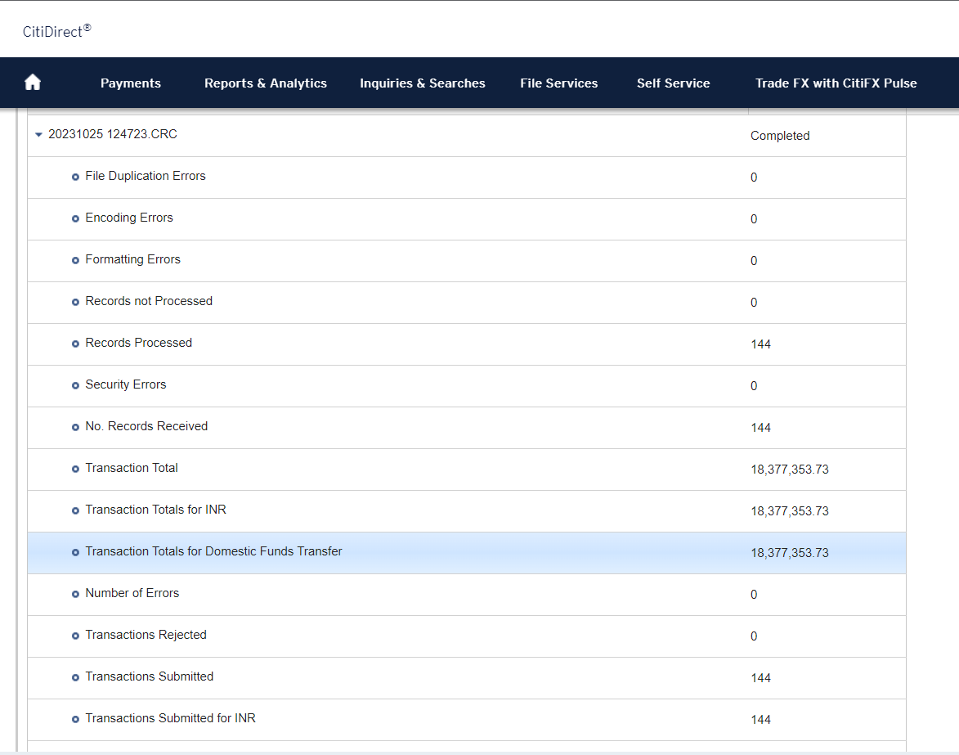
107415 | Dr. M.G.GOKHALE | 1923074612 | 13,050 | LOTE |  | 000TR01998 | 510101006501309 | UBIN0912514
108227 | TEJ ELECTRICALS | 1923062012 | 4,720 | LOTE |  | 000TR02177 | 40222523077 | SBIN0013553
108919 | MOTTA and ASSOCIATES | 1923074831 | 1,080 | LOTE |  | Grand Total
109962 | PRATHAMESH ELECTRICALS & CO | 1923074893 | 66,008 | LOTE
110870 | MAHARASHTRA BIO-HYGIENIC MANAGEMANT | 1923074619 | 2,240 | LOTE
113899 | SEVEN CLUSTER MACHINE SERVICES PVT. | 1923074884 | 11,020 | LOTE
114106 | SHREE SANKALPA INDUSTRIES | 1923062150 | 4,532 | LOTE
115411 | CRYOGAS AIR PRODUCTS INDIA PVT. LTD | 1923061135 | 2,832 | LOTE
115751 | LAXMI BIO FUELS | 1923061327 | 270,176 | LOTE
117188 | METAL VISION | 1923064090 | 105,803 | LOTE
118787 | NAAZ AGENCY | 1923074833 | 38,495 | LOTE
120273 | FABEX ENGINEERING PRIVATE LIMITED | 1923072220 | 49,880 | LOTE
120497 | NINEDOTS ENTERPRISES LLP | 1923070950 | 16,520 | LOTE
301372 | SKYLARK ELECTRICALS & ENGINEERINGS | 1923061158 | 8,083 | LOTE_CEP
301428 | A. P. CORPORATION | 1923062943 | 3,363 | LOTE_CEP
301428 | A. P. CORPORATION | 1923062991 | 33,453 | LOTE_CEP
301540 | JACINTH ENGINEERING PRIVATE LIMITED | 1923067291 | 136,054 | LOTE_CEP

 |  |  | 18,377,354

Vendor Code | Vendor Name | Doc No. | Amount | Location | Remarks | Sum of Amount |  |  |  |  | Sum of Amount
301884 | Asanplast Engineers Pvt Ltd | 3023486362 | 90,614 | DAHEJ_CEP | Partial | Vendor Code | Vendor Name | Location | Total |  | Vendor Code | Vendor Name | Location | Total | Document no.
302991 | S J Engineering | 3023486366 | 313,017 | DAHEJ_CEP | Partial | 107088 | Freesia Chemicals | DAHEJ | 42457 |  | 107088 | Freesia Chemicals | DAHEJ | 42457 | 1523052293
302120 | Shruti Engineering Works | 3023486368 | 154,858 | DAHEJ_CEP | Partial | 301884 | Asanplast Engineers Pvt Ltd | DAHEJ_CEP | 90614 |  | 301884 | Asanplast Engineers Pvt Ltd | DAHEJ_CEP | 90614 | 1523052294
302770 | Unimech Industries | 3023486373 | 1,057,189 | DAHEJ_CEP | Partial | 302120 | Shruti Engineering Works | DAHEJ_CEP | 154858 |  | 302120 | Shruti Engineering Works | DAHEJ_CEP | 154858 | 1523052295
302937 | Vihann Equipment And Machines Pvt L | 3023486382 | 394,342 | DAHEJ_CEP | Partial | 302770 | Unimech Industries | DAHEJ_CEP | 1057189 |  | 302770 | Unimech Industries | DAHEJ_CEP | 1057189 | 1523052296
303506 | DILBAHAR IMPEX | 3023471556 | 79,800 | ANKL_CEP | Partial | 302937 | Vihann Equipment And Machines Pvt L | DAHEJ_CEP | 394342 |  | 302937 | Vihann Equipment And Machines Pvt L | DAHEJ_CEP | 394342 | 1523052297
000TR01075 | BLR Logistiks (I) Ltd | 1923069185 | 53,075 | ANKL |  | 302991 | S J Engineering | DAHEJ_CEP | 313017 |  | 302991 | S J Engineering | DAHEJ_CEP | 313017 | 1523052298
000TR01679 | ATHRAVA TRANSPORT | 1923071513 | 44,100 | ANKL |  | 303506 | DILBAHAR IMPEX | ANKL_CEP | 79800 |  | 303506 | DILBAHAR IMPEX | ANKL_CEP | 79800 | 1523052299
000TR01998 | DASHRATH ROADLINES | 1923073566 | 165,140 | ANKL |  | 000TR00300 | STERLING ROADWAYS | AKOLA | 297330 |  | 000TR00300 | STERLING ROADWAYS | AKOLA | 297330 | 1523052300
000TR01075 | Blr Logistiks (I) Ltd | 1923063318 | 34,484 | DAHEJ | DSEZ DEK FREIGHT CHG B/E NO. 1003177 | 000TR01075 | BLR Logistiks (I) Ltd | ANKL | 53075 |  | 000TR01075 | BLR Logistiks (I) Ltd | ANKL | 53075 | 1523052301
000TR01958 | Dhanvarsha Roadways | 1923060983 | 34,206 | DAHEJ | DSEZ 4-NOX FREIGHT CHG B/E NO.1003028 |  |  | DAHEJ | 34484 |  | 000TR01075 | BLR Logistiks (I) Ltd | DAHEJ | 34484 | 1523052302
000TR01512 | Shree Nand Travels | 1923068916 | 3,430 | DAHEJ | DSEZ CAR HIRE CHARGES DR.RAJSHEKHAR 15 SEP'2023 | 000TR01512 | Shree Nand Travels | DAHEJ | 113509 |  | 000TR01512 | Shree Nand Travels | DAHEJ | 113509 | 1523052303
000TR01512 | Shree Nand Travels | 1923073445 | 110,079 | DAHEJ | DSEZ:SNT/777/23-24 Monthly Fix Charges - Sep 23 | 000TR01679 | ATHRAVA TRANSPORT | ANKL | 44100 |  | 000TR01679 | ATHRAVA TRANSPORT | ANKL | 44100 | 1523052304
000TR00300 | STERLING ROADWAYS | 1923071547 | 98,505 | AKOLA | RTGS Payment. | 000TR01738 | CCI LOGISTICS LIMITED | LOTE | 342868 |  | 000TR01738 | CCI LOGISTICS LIMITED | LOTE | 342868 | 1523052305
000TR00300 | STERLING ROADWAYS | 1923071550 | 98,604 | AKOLA | RTGS Payment. | 000TR01958 | Dhanvarsha Roadways | AKOLA | 278955 |  | 000TR01958 | Dhanvarsha Roadways | AKOLA | 278955 | 1523052306
000TR00300 | STERLING ROADWAYS | 1923071551 | 100,221 | AKOLA | RTGS Payment. |  |  | DAHEJ | 34206 |  | 000TR01958 | Dhanvarsha Roadways | DAHEJ | 34206 | 1523052307
000TR01958 | DHANVARSHA ROADWAYS | 1923050429 | 93,390 | AKOLA | RTGS Part Payment. | 000TR01998 | DASHRATH ROADLINES | ANKL | 165140 |  | 000TR01998 | DASHRATH ROADLINES | ANKL | 165140 | 1523052308
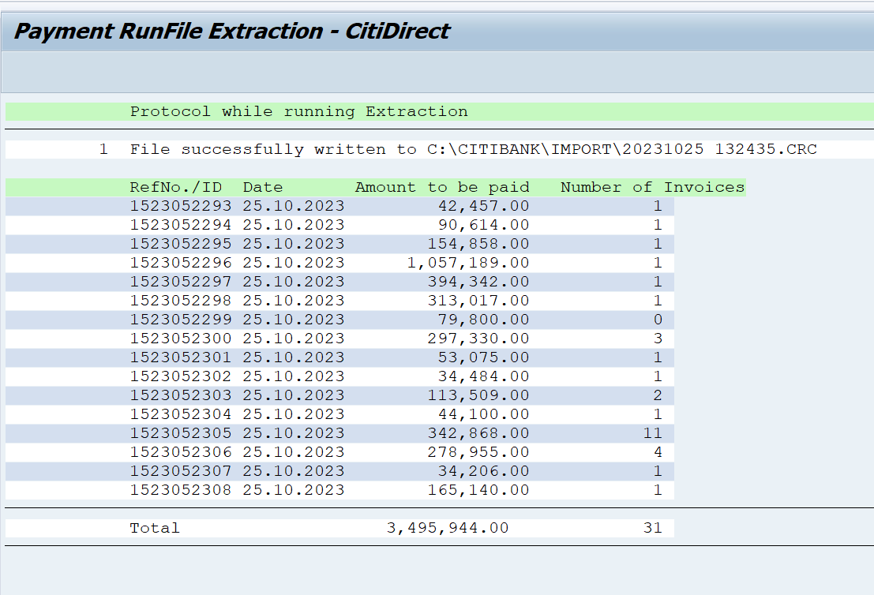
000TR01958 | DHANVARSHA ROADWAYS | 1923062232 | 93,390 | AKOLA | RTGS Part Payment. | Grand Total |  |  | 3495944 |  | Grand Total |  |  | 3,495,944.00

000TR01958 | DHANVARSHA ROADWAYS | 1923063977 | 96,140 | AKOLA | RTGS Part Payment.
000TR01958 | DHANVARSHA ROADWAYS | 2323007131 | -3,965 | AKOLA | RTGS Part Payment. |  |  |  |  |  |  |  | Transaction Date | 2023-10-25
000TR01738 | CCI LOGISTICS LIMITED | 1923071650 | 30,210 | LOTE |  |  |  |  |  |  |  |  | Transaction No. | 16
000TR01738 | CCI LOGISTICS LIMITED | 1923071656 | 30,798 | LOTE |  |  |  |  |  |  |  |  | CRC File name | 132435.CRC
000TR01738 | CCI LOGISTICS LIMITED | 1923071662 | 30,798 | LOTE
000TR01738 | CCI LOGISTICS LIMITED | 1923071667 | 30,210 | LOTE
000TR01738 | CCI LOGISTICS LIMITED | 1923071670 | 30,210 | LOTE
000TR01738 | CCI LOGISTICS LIMITED | 1923071672 | 30,798 | LOTE
000TR01738 | CCI LOGISTICS LIMITED | 1923071675 | 32,562 | LOTE
000TR01738 | CCI LOGISTICS LIMITED | 1923071676 | 31,974 | LOTE
000TR01738 | CCI LOGISTICS LIMITED | 1923071679 | 32,562 | LOTE
000TR01738 | CCI LOGISTICS LIMITED | 1923071654 | 30,798 | LOTE
000TR01738 | CCI LOGISTICS LIMITED | 1923073460 | 31,948 | LOTE
107088 | Freesia Chemicals | 1923060282 | 42,457 | DAHEJ | DSEZ:FRE/SEZ/2324/007 CYCLOPENTANONE

 |  |  | 3,495,944

Vendor Code | Vendor Name | Doc No. | Amount | Location | Remarks | Sum of Amount |  |  |  |  | Sum of Amount
106764 | Ankleshwar Research & | 1923065635 | 490 | DAHEJ | R-Block-Removed | Vendor Code | Vendor Name | Location | Total |  | Vendor Code | Vendor Name | Location | Total | Document no.
112896 | Destiny Chemicals | 1923073620 | 99,097 | DAHEJ | R-Block-Removed | 106764 | Ankleshwar Research & | DAHEJ | 490 |  | 106764 | Ankleshwar Research & | DAHEJ | 490 | 1523052340
115701 | Detox India Pvt. Ltd. | 1923073619 | 120,430 | DAHEJ | R-Block-Removed | 112235 | Mathur Manish & Co. | DAHEJ | 22500 |  | 112235 | Mathur Manish & Co. | DAHEJ | 22500 | 1523052345
112767 | Ferric Alum Industries | 1923073617 | 771,999 | DAHEJ | R-Block-Removed | 112707 | Gurudutt Enterprise | DAHEJ | 653106 |  | 112707 | Gurudutt Enterprise | DAHEJ | 653106 | 1523052348
112707 | Gurudutt Enterprise | 1923073503 | 23,520 | DAHEJ | R-Block-Removed | 112767 | Ferric Alum Industries | DAHEJ | 771999 |  | 112767 | Ferric Alum Industries | DAHEJ | 771999 | 1523052349
112707 | Gurudutt Enterprise | 1923073531 | 604,279 | DAHEJ | R-Block-Removed | 112896 | Destiny Chemicals | DAHEJ | 99097 |  | 112896 | Destiny Chemicals | DAHEJ | 99097 | 1523052352
112707 | Gurudutt Enterprise | 1923073535 | 25,307 | DAHEJ | R-Block-Removed | 114363 | R. D. Water | DAHEJ | 5415 |  | 114363 | R. D. Water | DAHEJ | 5415 | 1523052353
112235 | Mathur Manish & Co. | 1923074512 | 11,250 | DAHEJ | R-Block-Removed | 115701 | Detox India Pvt. Ltd. | DAHEJ | 120430 |  | 115701 | Detox India Pvt. Ltd. | DAHEJ | 120430 | 1523052355
112235 | Mathur Manish & Co. | 1923074515 | 11,250 | DAHEJ | R-Block-Removed | 115904 | Shiv Pest Control Service | DAHEJ | 24696 |  | 115904 | Shiv Pest Control Service | DAHEJ | 24696 | 1523052357
114363 | R. D. Water | 1923074928 | 5,415 | DAHEJ | R-Block-Removed | 000TR01512 | Shree Nand Travels | DAHEJ | 110152 |  | 000TR01512 | Shree Nand Travels | DAHEJ | 110152 | 1523052358
115904 | Shiv Pest Control Service | 1923074677 | 8,232 | DAHEJ | R-Block-Removed | Grand Total |  |  | 1807885 |  | Grand Total |  |  | 1,807,885.00
115904 | Shiv Pest Control Service | 1923074712 | 8,232 | DAHEJ | R-Block-Removed
115904 | Shiv Pest Control Service | 1923074713 | 8,232 | DAHEJ | R-Block-Removed
000TR01512 | Shree Nand Travels | 1923073585 | 110,152 | DAHEJ | R-Block-Removed |  |  |  |  |  |  |  | Transaction Date | 2023-10-25
 |  |  |  |  |  |  |  |  |  |  |  |  | Transaction No. | 9
 |  |  | 1,807,885 |  |  |  |  |  |  |  |  |  | CRC file name | 152231.CRC

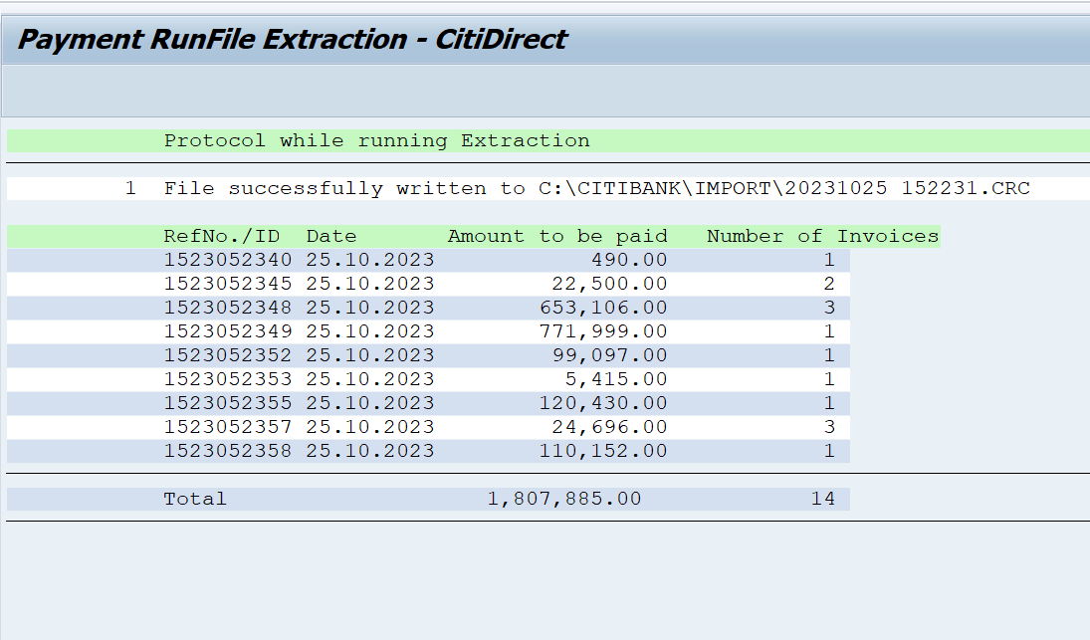

Vendor Code | Vendor Name | Doc No. | Amount | Location | Remarks
000TR00062 | A. B. Transport Company | 1923069825 | 7,910 | DAHEJ C-44 | Net due date 30/10/2023
000TR00062 | A. B. Transport Company | 1923069826 | 4,578 | DAHEJ C-44 | Net due date 30/10/2023
112432 | Giss Pumps Solution | 1923062919 | 43,680 | DAHEJ | B-Block
302911 | Dharamshi Industrial Marketing Serv | 1923063171 | 1,232,850 | DAHEJ_CEP | R-Block
112390 | Zatpat Stationery | 1923062420 | 14,255 | DAHEJ C-44 | R-Block
115764 | Manikaran Analytics Limited | 1923070048 | 15,590 | DAHEJ C-44 | R-Block
120224 | Bluetech Water Purifiers | 1923074015 | 11,484 | DAHEJ C-44 | R-Block
112411 | Tata Power Solar Systems Limited | 1923074235 | 1,436,724 | DAHEJ C-44 | R-Block
119026 | Pioneer Hospitality Services | 1923074702 | 245,681 | DAHEJ C-44 | R-Block
119322 | Fabtech Engineering | 1923074958 | 103,826 | DAHEJ C-44 | R-Block
107942 | UNIQUE SAFETY | 1923064656 | 35,280 | AKOLA | Payment already made
000TR02177 | J J Global Services | 1923074466 | 12,642 | DAHEJ C-44 | Payment already made
118016 | Jdc Technology Pvt Ltd | 1923061066 | 26,100 | DAHEJ | B-Block Vendor block for payment

 |  |  | 3,190,600

 |  |  | 26,871,783

